Hypotheses
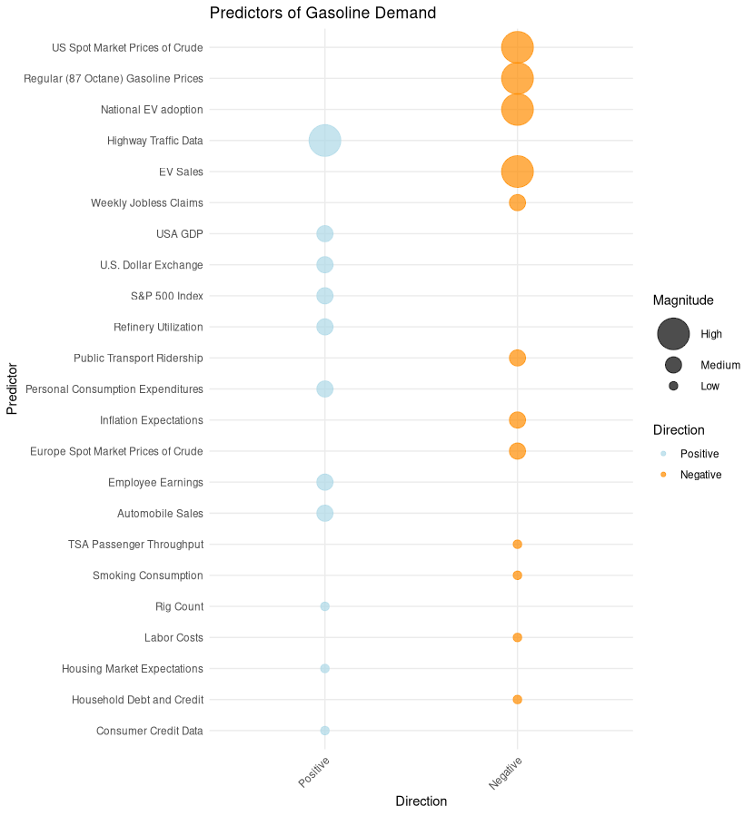
Predictor | Hypothesis | Magnitude | Direction
US Spot Market Prices of Crude | Higher crude prices often deter gasoline consumption due to price elasticity. | High | Negative | Karina's personal hypotheses: you can challenge or disagree.
Regular (87 Octane) Gasoline Prices | Higher gasoline prices generally deter consumption. | High | Negative
EV Sales | Increased EV sales may decrease gasoline demand as more people use electric vehicles. | High | Negative
EV Regulation | Higher EV regulations decrease gasoline demand as fleet companies are forced to transition away from gasoline vehicles. | High | Negative
Highway Traffic Data | Increased highway traffic indicates greater vehicle usage, leading to higher gasoline demand. | High | Positive
S&P 500 Index | Higher stock market performance may indicate a booming economy, leading to increased gasoline demand. | Medium | Positive
Weekly Jobless Claims | Higher jobless claims indicate economic downturns, which may result in decreased gasoline demand. | Medium | Negative
Europe Spot Market Prices of Crude | If European crude prices rise and the US follows, it could deter gasoline demand. | Medium | Negative
USA GDP | Higher GDP indicates a robust economy, potentially driving up gasoline demand. | Medium | Positive
Public Transport Ridership | Increased public transport ridership may lead to decreased gasoline demand. | Medium | Negative
Automobile Sales | Higher sales, especially of gasoline-based vehicles, indicate potential increased gasoline demand. | Medium | Positive
Personal Consumption Expenditures | Higher consumer spending can suggest increased economic activity and gasoline demand. | Medium | Positive
Refinery Utilization | Higher refinery utilization can lead to increased gasoline supply, potentially affecting demand balance. | Medium | Positive
U.S. Dollar Exchange | A stronger U.S. dollar can make oil imports cheaper, potentially affecting gasoline prices and demand. | Medium | Positive
Inflation Expectations | Higher inflation expectations could deter spending, potentially reducing gasoline demand. | Medium | Negative
Employee Earnings | Higher earnings boost disposable income, possibly increasing gasoline demand due to increased travel. | Medium | Positive |  | -
TSA Passenger Throughput | An increase in passenger throughput may indicate higher air travel, potentially reducing gasoline demand. | Low | Negative
Rig Count | A higher rig count suggests increased domestic production, potentially influencing gasoline demand. | Low | Positive
Consumer Credit Data | Higher consumer credit indicates more spending, including on vehicles and travel, potentially driving gasoline demand. | Low | Positive
Household Debt and Credit | Higher household debt may deter spending, including on travel, potentially reducing gasoline demand. | Low | Negative
Labor Costs | Rising labor costs could affect gasoline production costs, potentially affecting gasoline demand. | Low | Negative
Smoking Consumption | Decrease in smoking might indicate health-conscious decisions, including eco-friendly transportation choices. | Low | Negative
Housing Market Expectations | A booming housing market might lead to increased travel, potentially driving up gasoline demand. | Low | Positive
 | A booming housing market might lead to increased travel, potentially driving up gasoline demand.

